Sheet1
Example: | Gauge chart
Sales in 2015 | $35,000
Sales in 2016 | $72,000
Sales in 2017 | $52,000
Sales in 2018 | $36,000

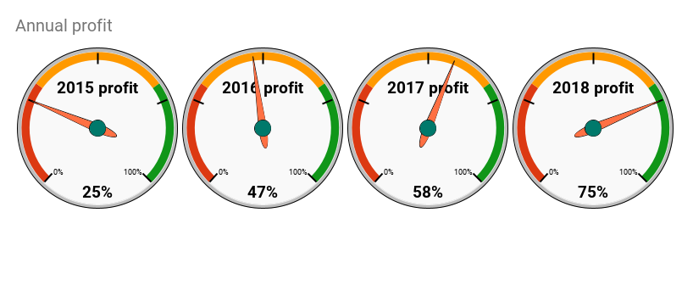
Example: | Gauge chart
2015 profit | 25%
2016 profit | 47%
2017 profit | 58%
2018 profit | 75%

